plant modification
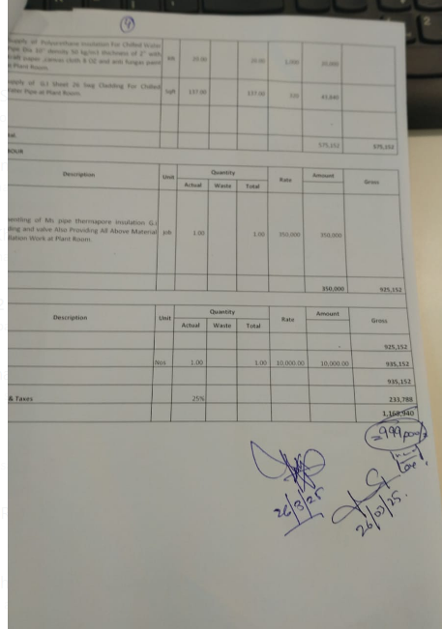

Dated: | 26-Mar-25
Invoice # 025
Project: | Meezan Head Office Extension Block 111 karachi.
Invoice for Plant Room Modification Block II
S. # | Description | Unit | Quantity |  |  | Rate | Amount | Gross
 |  |  | Actual | Waste | Total
A MATERIAL.
1 | Supply of Ms Pipe SCH-40 Dia 6'' at Plant Room. | Rft | 20.00 |  | 20 | 3,100 | 62,000
2 | Supply of Ms Pipe SCH-40 Dia 10'' at Plant Room. | Rft | 20.00 |  | 20 | 8,098 | 161,960
3 | Supply of Butterfly valve Gear operated Dia 6'' at Plant Room. | Nos | 2.00 |  | 2 | 28,160 | 56,320
4 | Supply of Gate valve Flange type Dia 10'' at Plant room. | Nos | 1.00 |  | 1 | 128,743 | 128,743
5 | Supply of Ms Flange Dia 6''at Plant Room. | Nos | 4.00 |  | 4 | 6,499 | 25,996
6 | Supply of Ms Flange Dia 10''at Plant Room. | Nos | 2.00 |  | 2 | 15,340 | 30,680
7 | Supply Of Ms Elbow 90 Dia 6'' at Plant Room. | Nos | 2.00 |  | 2 | 9,069 | 18,138
8 | Supply Of Ms Elbow 90 Dia 6'' at Plant Room. | Nos | 2.00 |  | 2 | 4,230 | 8,460
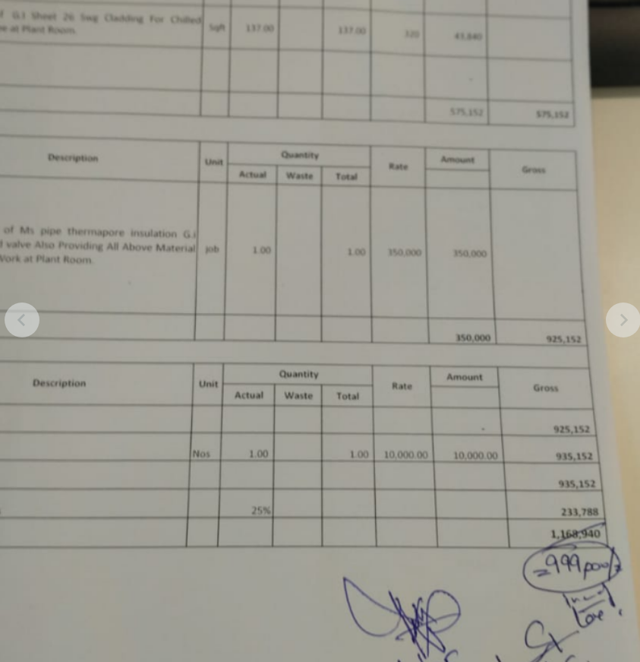
9 | Supply of Polyurethane insulation For Chilled Water Pipe Dia 6'' density 50 kg/m3 thichness of 2'' with Kraft paper ,canvas cloth 8 OZ and anti fungas paint at Plant Room. | Rft | 26.00 |  | 26 | 700 | 18,200
10 | Supply of Polyurethane insulation For Chilled Water Pipe Dia 10'' density 50 kg/m3 thichness of 2'' with Kraft paper ,canvas cloth 8 OZ and anti fungas paint at Plant Room. | Rft | 20.00 |  | 20 | 1,000 | 20,000
11 | Supply of G.I Sheet 26 Swg Cladding For Chilled Water Pipe at Plant Room. | Sqft | 137.00 |  | 137 | 320 | 43,840
 | Total. |  |  |  |  |  | 574,337 | 574,337
B . | LABOUR
S. # | Description | Unit | Quantity |  |  | Rate | Amount | Gross
 |  |  | Actual | Waste | Total
12 | Dismentling of Ms pipe thermapore insulation G.i Cladding and valve Also Providing All Above Material Installation Work at Plant Room. | job | 1.00 |  | 1.0 | 350,000 | 350,000
 | Total. |  |  |  |  |  | 350,000 | 924,337
C OTHER
S. # | Description | Unit | Quantity |  |  | Rate | Amount | Gross
 |  |  | Actual | Waste | Total
 | Total. |  |  |  |  |  | - | 924,337
 | cartage | Nos | 1.00 |  | 1.00 | 10,000.00 | 10,000.00 | 934,337
 | Total Rs. |  |  |  |  |  |  | 934,337
 | OverHead & Taxes |  | 25% |  |  |  |  | 233,584
Total Price |  |  |  |  |  |  |  | 1,167,921
Discount |  |  |  |  |  |  |  | 299,226
Net Total Amount |  |  |  |  |  |  |  | 868,695
SST 15% |  |  |  |  |  |  |  | 130,304
Net Total Amount |  |  |  |  |  |  |  | 999,000

 |  |  |  |  | Less 4% withholding tax |  |  | 39,959.98
 |  |  |  |  | Less 20% SST withheld (20% of 104,348) |  |  | 26,060.86 | 0
 |  |  |  |  | Amount transferred |  |  | 932,979

 |  |  |  |  |  |  |  | -

